Screenshot
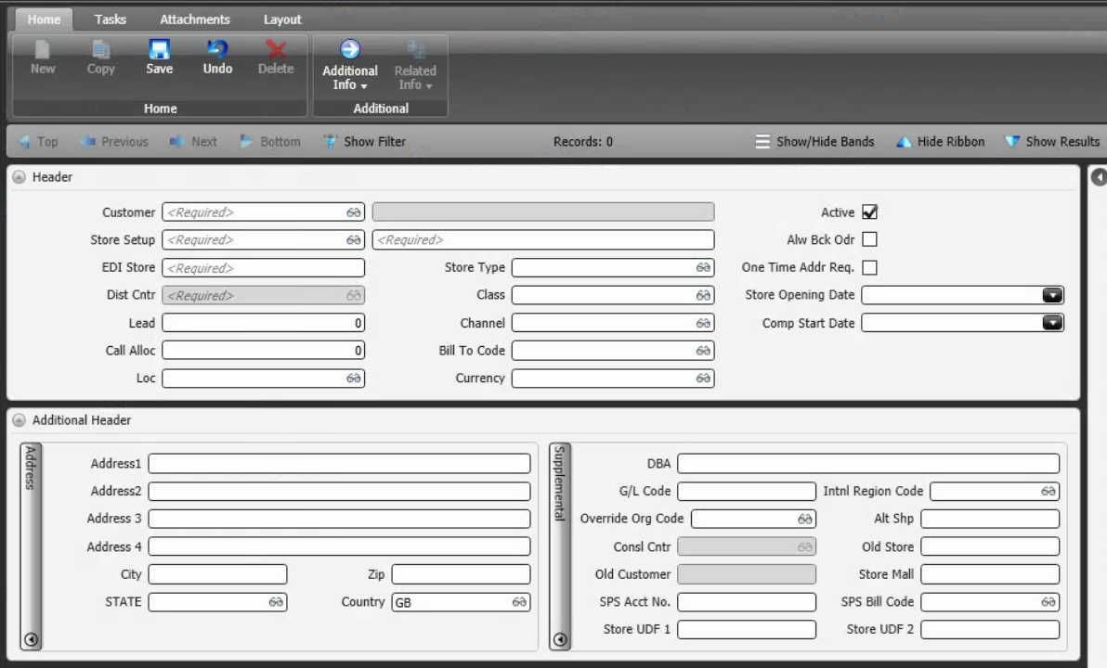
Reference Screen | Customer Store

